Fuel for Schools
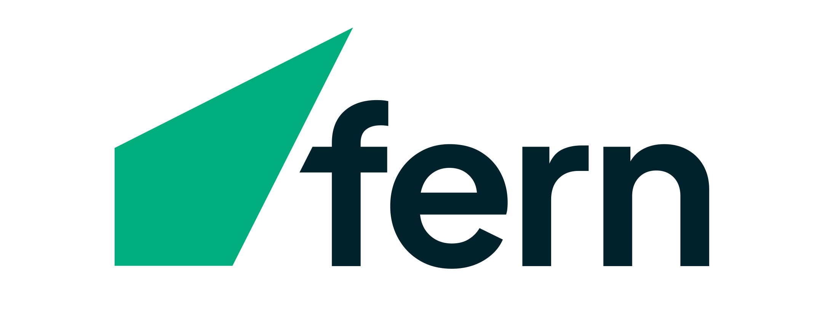
Congratulations on reaching the threshold for redemption & Welcome to our Fuel for Schools order sheet |  | Please keep this in excel or google sheet format |  |  |  |  |  |  | 0
 |  |  |  |  |  |  |  |  | 250
 |  | Amount to spend (drop down) | Literacy | Technology | Sporting | Music | Vegepod | Total | 350
 |  |  | $0 | $0 | $0 | $0 | $0 | $0.00 | 500

 |  |  |  |  |  |  |  |  | 750
 |  |  |  |  |  |  |  |  | 1000
 |  | Fuel for Schools | Fern Energy |  |  |  |  |  |  | 1250
 |  |  |  |  |  |  |  |  | 1500
 |  | School Name |  |  |  |  |  |  | 1750
 |  | Your school name here |  |  |  |  |  |  | 2000
 |  |  |  |  |  |  |  |  | 2500
 |  |  |  |  |  |  |  |  | 3000
 |  | Instructions: |  |  |  |  |  |  | 4000
 |  | 1. Click on any of the $0 boxes above to reveal the drop down selections |  |  |  |  |  |  | 5000
 |  | 2. Select the amount you would like to spend in each category |  |  |  |  |  |  | 6000
 |  | 3. Then click on the corresponding page/tab on the bottom of the screen
 |  | 4. In the green column input the amount of each product you would like, this will subtract from the total in the box on the top right
 |  | 5. Save the file & email to fuelforschools@fernenergy.co.nz

 | Unfortunately, our suppliers, manufacturers and shipping companies are facing interruptions and shipping delays, which has drastically affected our normal supply chain timeframe. Orders are now taking approximately 3 months to deliver. We apologise for this inconvenience and appreciate your patience.

